Overview
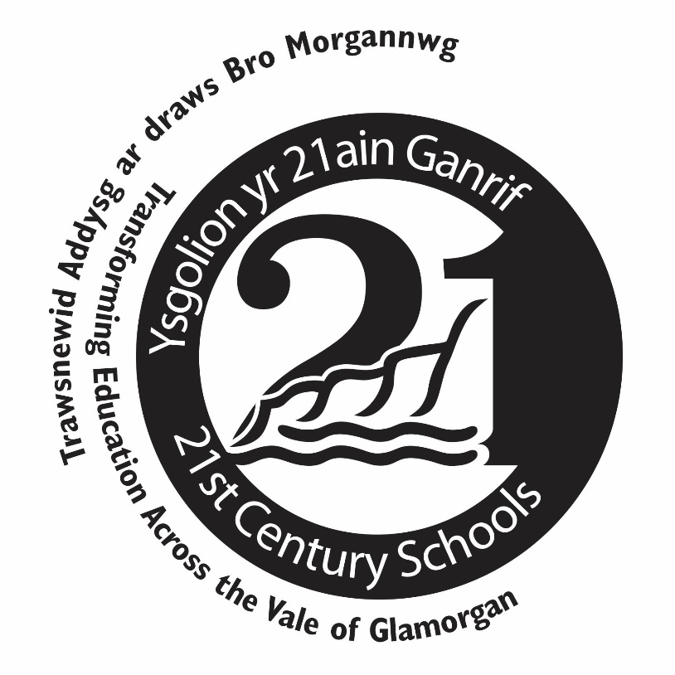
Overview

 | Well-being of Future Generations (Wales) Act 2015 RIBA Directory
 | Theme |  |  |  |  |  |  |  |  |  |  | RIBA Stage |  | Well-being Goals
 | Procedures / Strategy | Finance | Community / Users | Materials | Transport / Infrastructure | Energy | Water | Waste | Pollution | Ecology / Landscaping | Climate Change | No. | Description | A Prosperous Wales | A Resilient Wales | A Healthier Wales | A More Equal Wales | A Wales of Cohesive Communities | A Wales of Vibrant Culture and Thriving Welsh Language | A Globally Responsible Wales
 | 3 | 2 | 3 | 2 | 1 | 1 | 1 | 1 | 1 | 2 | 2 | 0 | Strategic Definition | 15 | 14 | 7 | 8 | 7 | 6 | 15
 | 6 | 2 | 2 | 4 | 4 | 6 | 2 | 1 | 0 | 5 | 0 | 1 | Preparation and Brief | 23 | 22 | 11 | 15 | 7 | 6 | 23
 | 1 | 1 | 2 | 5 | 3 | 6 | 1 | 1 | 2 | 1 | 2 | 2 | Concept Design | 18 | 18 | 18 | 9 | 6 | 5 | 18
 | 5 | 2 | 1 | 4 | 1 | 6 | 1 | 1 | 2 | 1 | 1 | 3 | Developed Design | 20 | 18 | 11 | 13 | 8 | 3 | 19
 | 7 | 1 | 3 | 1 | 0 | 7 | 2 | 1 | 2 | 1 | 0 | 4 | Technical Design | 16 | 16 | 13 | 14 | 6 | 3 | 17
 | 3 | 7 | 5 | 2 | 1 | 0 | 1 | 3 | 1 | 1 | 0 | 5 | Construction | 20 | 12 | 12 | 12 | 5 | 4 | 13
 | 4 | 1 | 2 | 1 | 2 | 3 | 1 | 1 | 0 | 1 | 1 | 6 | Handover and Close Out | 14 | 12 | 10 | 12 | 5 | 4 | 12
 | 1 | 3 | 5 | 1 | 1 | 2 | 1 | 1 | 2 | 2 | 2 | 7 | In Use | 16 | 12 | 7 | 12 | 7 | 7 | 13
 | 6 | 4 | 2 | 6 | 2 | 0 | 0 | 2 | 1 | 2 | 0 | 8 | End of Life | 25 | 7 | 2 | 0 | 1 | 1 | 8

Theme Total = | 36 | 23 | 25 | 26 | 15 | 31 | 10 | 12 | 11 | 16 | 8 |  | Goals Total = | 167 | 131 | 91 | 95 | 52 | 39 | 138

